Metrics and Plots
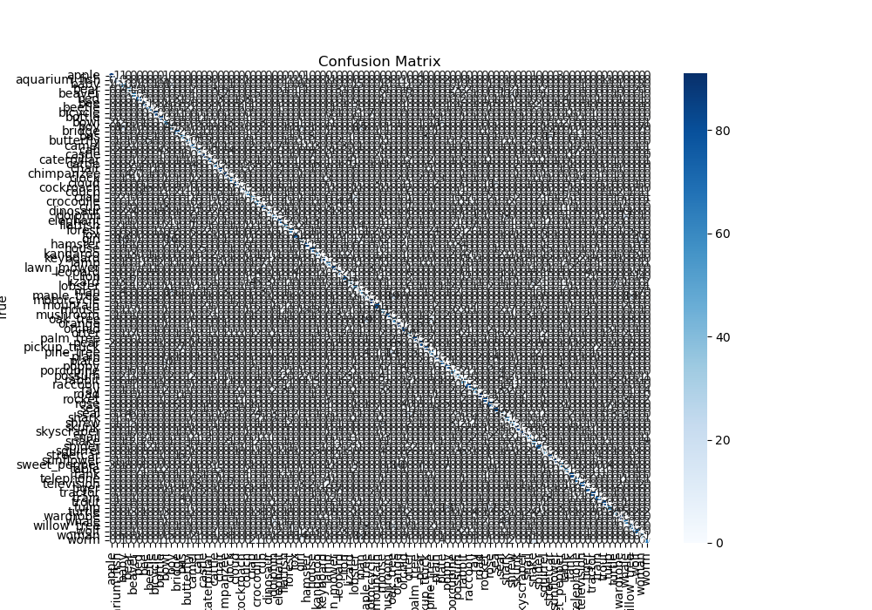
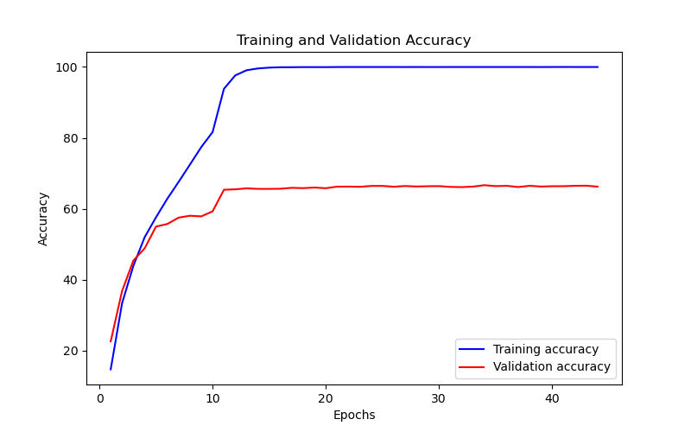
Epoch | Train Accuracy | Train Loss | Validation Accuracy | Validation Loss
1 | 14.74 | 3.049 | 22.65 | 3.166
2 | 33.34 | 2.377 | 36.79 | 2.383
3 | 43.92 | 1.989 | 45.41 | 2.038
4 | 52.01 | 1.718 | 48.86 | 1.919
5 | 57.61 | 1.514 | 54.99 | 1.649
6 | 62.85 | 1.334 | 55.73 | 1.623
7 | 67.6 | 1.151 | 57.52 | 1.602
8 | 72.48 | 0.97 | 58.05 | 1.578
9 | 77.42 | 0.823 | 57.87 | 1.683
10 | 81.64 | 0.675 | 59.29 | 1.664
11 | 93.83 | 0.187 | 65.37 | 1.416
12 | 97.61 | 0.11 | 65.5 | 1.46
13 | 99.06 | 0.064 | 65.77 | 1.509
14 | 99.57 | 0.046 | 65.62 | 1.557
15 | 99.8 | 0.028 | 65.62 | 1.607
16 | 99.91 | 0.02 | 65.66 | 1.687
17 | 99.92 | 0.016 | 65.92 | 1.721
18 | 99.95 | 0.013 | 65.83 | 1.761
19 | 99.95 | 0.01 | 65.99 | 1.798
20 | 99.94 | 0.011 | 65.81 | 1.856
21 | 99.97 | 0.005 | 66.25 | 1.832
22 | 99.98 | 0.006 | 66.27 | 1.829
23 | 99.98 | 0.004 | 66.2 | 1.844
24 | 99.98 | 0.003 | 66.45 | 1.856
25 | 99.98 | 0.004 | 66.46 | 1.848
26 | 99.98 | 0.003 | 66.23 | 1.864
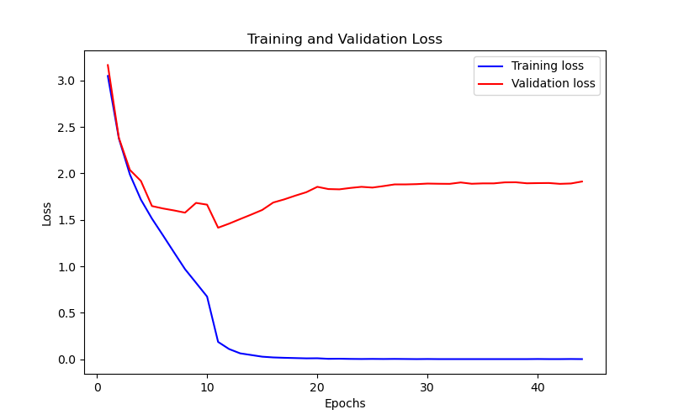
27 | 99.97 | 0.004 | 66.43 | 1.882
28 | 99.98 | 0.003 | 66.29 | 1.882
29 | 99.97 | 0.002 | 66.37 | 1.885
30 | 99.97 | 0.003 | 66.4 | 1.891
31 | 99.98 | 0.002 | 66.18 | 1.889
32 | 99.98 | 0.002 | 66.12 | 1.888
33 | 99.98 | 0.002 | 66.26 | 1.903
34 | 99.98 | 0.002 | 66.66 | 1.889
35 | 99.98 | 0.002 | 66.4 | 1.893
36 | 99.98 | 0.002 | 66.48 | 1.893
37 | 99.98 | 0.002 | 66.14 | 1.904
38 | 99.98 | 0.002 | 66.49 | 1.905
39 | 99.97 | 0.002 | 66.28 | 1.894
40 | 99.98 | 0.003 | 66.37 | 1.896
41 | 99.99 | 0.002 | 66.38 | 1.897
42 | 99.98 | 0.002 | 66.49 | 1.888
43 | 99.98 | 0.003 | 66.52 | 1.892
44 | 99.98 | 0.002 | 66.25 | 1.913

